1. Title Page
Grocery Basket Analysis

Project Name: Instacart Grocery Basket Analysis
Date: 15/08/2024
Analyst Name: Ana Lazarevska
Citation: "The Instacart Online Grocery Shopping Dataset 2017", Accessed from www.instacart.com/datasets/grocery-shopping-2017 via Kaggle on 10/08/2024

Contents:
Population Flow
Consistency checks
Wrangling steps
Column derivations
Visualizations
Recommendations

2. Population Flow
Title page

Population flow

Exclusion flag
Condition: max_order <
Obervations to be removed:
Final total count of order_products_all:

Orders_products_combined
Orders_products_merged
Orders_products_all

Total: 32404859
Total: 32434489
Total: 30171424

1.) The grey boxes in the first row of the population flow represent the original data sets as they were when you downloaded them. In the Total fields you need to add the count of the rows when you imported the data set into Jupyter.
2.) The second row of boxes (coloured) represents the data sets after you manipulated them, e.g., removed missing values and duplicates. In the Total fields you need to add the count of the rows after conducting these operations. This offers a visual oveview of how the data flows throughout the data consistency checks.
3.) The third row, where also the arrows are coloured, represents the merges you performed between the datasets. In the Total fields you need to add the count of the rows in the merged datasets, so that you end up with the final dataset (in the red box). Keep in mind the final dataset should be without exclusions (based on the exclusion flag).

3. Consistency checks
 |  |  |  | Title page
Consistency checks

Dataset | Missing values | Missing values treatment | Duplicates
orders | 206209 in days_since_prior_order | As the missing values were for the first orders for each user_id, they were converted to 0s. | No duplicates found
products | 16 from product_name | Created dataframe without the missing values | 5 duplicate dows were removed
orders_products_prior
customers

4. Wrangling steps
 |  |  |  | Title page
Wrangling steps

Columns dropped | Columns renamed | Columns' type changed | Comment/Reason
eval_set |  |  | It doesn't contribute to the analysis
 |  |  | Not clear name changed to more meaningful name
 | order_dow' to 'orders_day_of_week' |  | More clear
 | First Name to first_name |  | Remove capitalisation
 | Surnam to last_name |  | Remove capitalisation and fix typo
 | Gender to gender |  | Remove capitalisation
 | STATE to state |  | Remove capitalisation
 | Age to age |  | Remove capitalisation
 | n_dependants to dependants |  | Unnecesary letter for number
 |  | order_id' changed to 'str' | IDs are numbers but should be treated as strings
 |  | user_id' changed to 'str' | IDs are numbers but should be treated as strings

5. Column derivations
 |  |  |  | Title page

Column derivations and aggregations

In this tab you should add tables below that the frequences of flags/label variables that you produced after deriving them. NB: don't do this for continuous variables, only for flags.
Dataset | New column | Column/s it was derived from | Conditions
products | department | merged from department dataset | merged on department_id
ords_prods_merge | price_label | prices | Low-range product' for prices less than 5, 'Mid-range product' for prices between 5 and 15, 'High range' for prices over 15
ords_prods_merge | busiest_day | orders_day_of_week | "Busiest day" on Saturdays, "Least busy" on Wednesdays, "Regularly busy" on the other days
ords_prods_merge | busiest_days | orders_day_of_week | "Two least busy days" for Tuesdays and Wednesdays, "Two busiest days" for Saturdays and Sundays, "Regularly busy" for the other days
ords_prods_merge | busiest_period_of_day | order_hour_of_day | “Most orders” between hours 9 and 16, “Fewest orders” between hours 2 and 5, “Average orders” for the other hours in the day
ords_prods_merge | loyalty_flag | max_order | Loyal customer' for more than 40 orders, "Regular customer" for orders between 10 and 40, "New customer" for less than 10 orders
ords_prods_merge | spending_flag | spending | Low spender' for less than 10 dollars, 'High spender' for more than 10 dollars
ords_prods_merge | frequency_flag | frequency | Non-frequent customer' for more than 20 days between orders, 'Regular customer' between 10 to 20 days, 'Frequent customer' for less than 10 days between orders
customer | region | state | Regions defined as per Wikipedia article
ords_prods_cust_merged | low-activity_customer | max_order | "No" for more than 5 orders, "Yes" for less than 5 orders
ords_prods_cust_merged | cust_profile | age, dependants, fam_status, department_id | 11 different profiles based on the variables age, number of dependants, family status and baby products purchased.

6. Visualizations
 |  |  | Title page

Visualisations

In this tab you should include all the visualtions from Exercises 4.9 and 4.10, alongside the questions from the project brief that they answer. Include any commentary on the relationship between different variables.
 |  |  |  |  |  |  |  |  |  |  |  |  | Customer profile by department
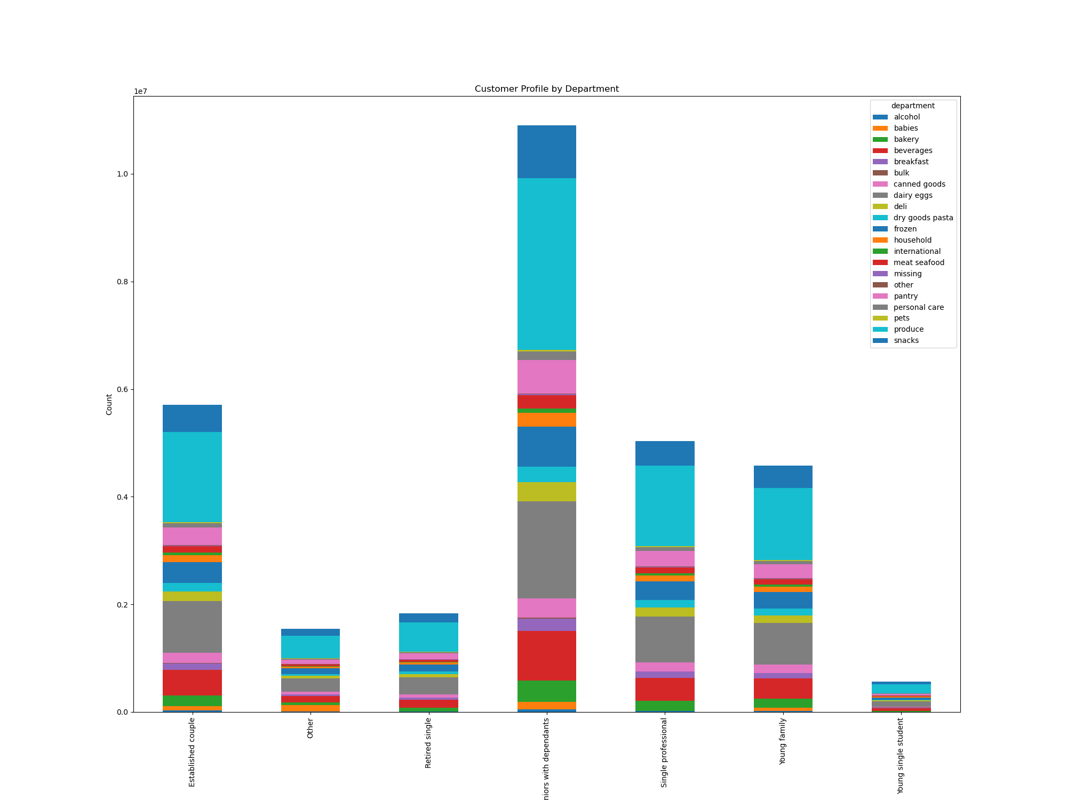

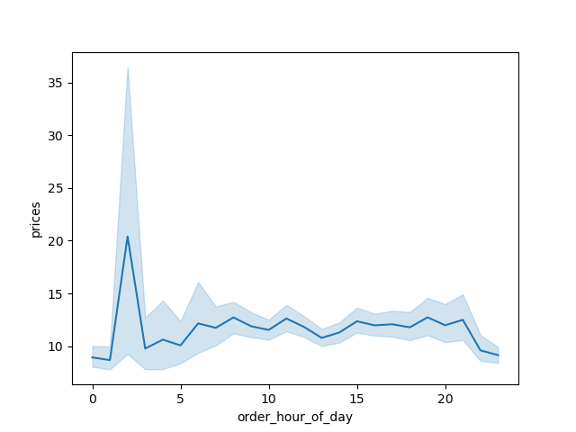
 |  |  |  |  |  |  |  | Spending habbits per region | Count of customer profiles
 |  |  |  |  | Hourly Price Distribution | Income by Age |  |  |  |  | Customer profile by region
 | Orders per hour | Amount of loyal customers



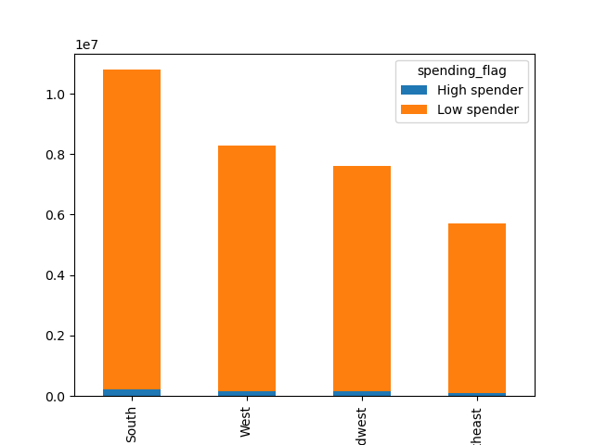
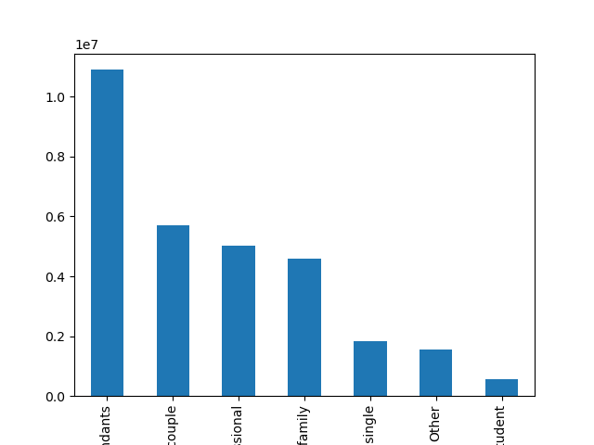
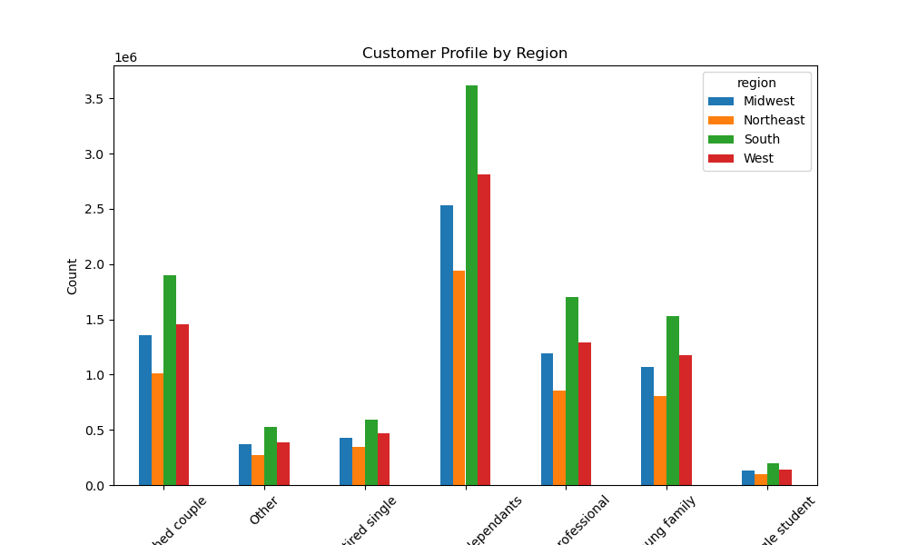

QUESTION ANSWERED: The sales team needs to know what the busiest days of the week and hours of the day are (i.e., the days and times with the most orders) in order to schedule ads at times when there are fewer orders. |  | QUESTION ANSWERED: What’s the distribution among users in regards to their brand loyalty (i.e., how often do they return to Instacart)? |  | QUESTION ANSWERED: They also want to know whether there are particular times of the day when people spend the most money, as this might inform the type of products they advertise at these times. |  | QUESTION ANSWERED: You’ll also need to explore whether there’s a connection between age and spending power (income). | QUESTION ANSWERED: Are there differences in ordering habits based on a customer’s region? |  | QUESTION ANSWERED: What different classifications does the demographic information suggest? Age? Income? Certain types of goods? Family status? | QUESTION ANSWERED: Compare your customer profiles with regions and departments. Can you identify a link between them? Customers may demonstrate different behaviors across regions, which could make this information important.

COMMENTARY: The hours between 9am and 5pm are the bussiest during the day, so there should be more adds between 5pm and 9pm |  | COMMENTARY: Almost 1.6m regular customers, 1m loyal customers, and 0.6m new customers, showing that Instacart has good loyal base of customers, as well as new customers that they would need to attract to become regular customers. |  | COMMENTARY: The customers spend most money in the hours just after midnigh. Seeing what products they purchase then, might create strategy to increase the sales in the rest of the day. Otherwise, most money is spent in the hours 9am, 11am, 3pm, 7pm. |  | COMMENTARY: The income for all age groups is varried. All age groups earn the minimum income, but only the older age groups (over 40) earn higher than 400,000. This means that the over 40s have higher spending power and can purchase more expensive items or shop more often and in higher quantities. | COMMENTARY: Then Southern region has customers that spend more money in Instacart than the other regions. They lead with both High and Low spenders. The Northeast spends the least. |  | COMMENTARY: Based on age, family status, dependants, and purchse of certain goods, the seniors with dependants are the most numerous (those are people over 50 that have at least one dependant). Almost half of them are the established couples (married couples with dependants, aged between 35 and 50), single professionals, and young families. The least numerous are the young single students. | COMMENTARY: The seniors with dependants are most numerous in South, and least in the Northeast. This trend persist for all customer profiles. |  | QUESTION ANSWERED: What differences can you find in ordering habits of different customer profiles? Consider the price of orders, the frequency of orders, the products customers are ordering, and anything else you can think of.

 |  |  |  |  |  |  |  |  |  |  |  | COMMENTARY: Produce is the most popular department. Each customer profile purchases produce more than any other goods from Instacart. Next comes dairy and eggs. Household items are mostly bought by seniors with dependants. The others and the seniors with dependants purchase most baby products.

7. Recommendations
 |  | Title page

Recommendations

In this tab you should include any recommendations you would made to Instcart in terms of their marketing strategy based on the questions posed in the brief. Every key question has been covered in the Tasks of the Exercises - here you need to add an item - a visualisation or table/crosstable that is showing the answer in the data, acompanied by a comment from you. Please, list the questions below and add the answer underneath.

Question | Answer
What are the busiest hours of the day in order to schedule ads at times when there are fewer orders? | The hours between 9am and 5pm are the bussiest during the day, so there should be more adds between 5pm and 9pm
What’s the distribution among users in regards to their brand loyalty? | Almost 1.6m regular customers, 1m loyal customers, and 0.6m new customers, showing that Instacart has good loyal base of customers, as well as new customers that they would need to attract to become regular customers.
Are there particular times of the day when people spend the most money, as this might inform the type of products they advertise at these times? | The customers spend most money in the hours just after midnigh. Adds can be increased for the products that are being purchased at night in the night hours, on tv and radio and social media.
Is there a connection between age and spending power (income)? | The over 40s have higher spending power and can purchase more expensive items or shop more often and in higher quantities. Therefore, increase adds for expensive and luxurios items to suit the seniors tastes, and increase playful, youthful adds for cheaper products that will target the younger customers.
Are there differences in ordering habits based on a customer’s region? | Then Southern region has customers that spend more money in Instacart than the other regions. They lead with both High and Low spenders. The Northeast spends the least. Increase adds in the Northeast.
What different classifications does the demographic information suggest? | The people over 50 with dependants are the most numerous Instacart customers. The least numerous are the young single students. Increase adds for the products that the students purchase, and consider lowering the prices of those products. Consider rewarding the most valuable customers.
Is there a link between customer profiles and regions? | All customer profiles are most numerous in the South, and least in the Northeast. The add campaigns must increase in the Northeast, and increase the presence of Instacart in that region.
What are the ordering habits of different customer profiles? | Each customer profile orders from the produce, as well as from the eggs and dairy department more than from any other department. The ordering habits are similar among different customer profiles. Alcohol, as well as meat and seafood are also popular items.

